Discovery
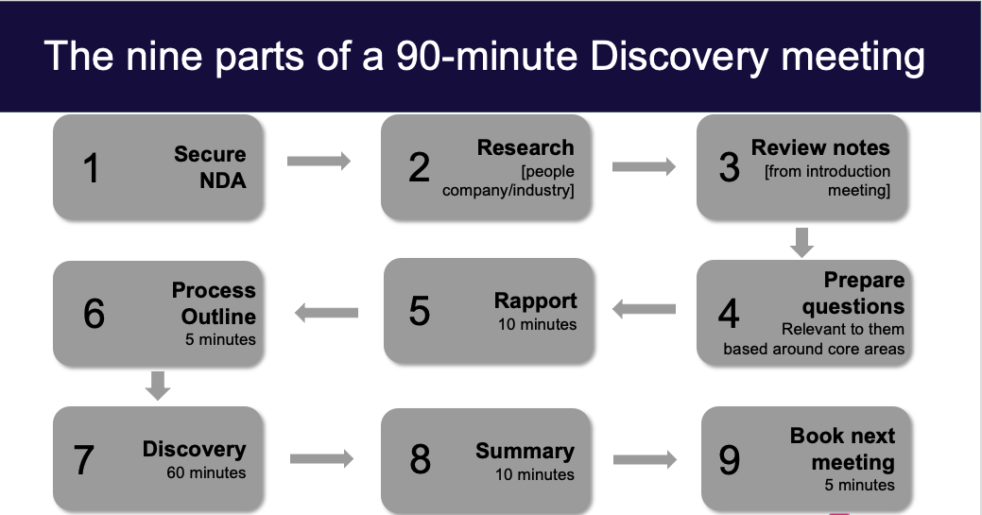
Reference Materials

Additional Core Areas
Previous Core Areas |  | Additional Core Areas

ex. CRM | Metrics | Area 5 | Area 6

Area 3 | Area 4 | Area 7 | Area 8

Building out your Discovery questions

Collaboration
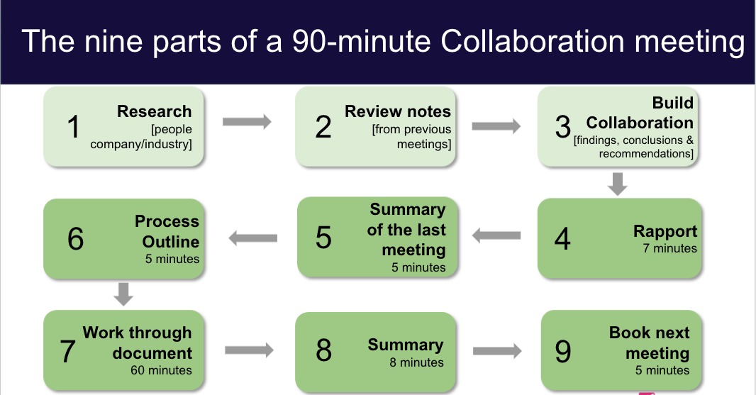
Reference Materials

Overview Introduction
Your Introduction: | 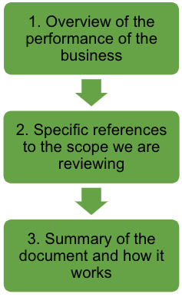
1. Overview of the performance of the business

Findings & Conclusions and Recommendations

Executive Summary and Implementation

